Sheet1
 | Stock Market Game

 | Passive 70% |  |  | Vehicle |  |  |  | % of Portfolio | $ | Active 30% |  | Vehicle | % of Portfolio | $
 | Short Japanese Gov bonds |  |  |  |  |  |  |  |  | Short Blackrock? |  | BLK
 | Short investment grade credit |  |  | IGSB, LQD |  |  |  | 3% | $2,100 | Short Bitcoin |  | MSTR
 | Short UK gilts (bonds) |  |  | IGLT |  |  |  | 6% | $4,200 | Short Semiconductors? |  | SMH
 | Short US real estate |  |  | DRV, VNQ |  |  |  | 6% | $4,200 | Long Oil |  | OIL
 | Short US mortgages |  |  | SPMB |  |  |  | 6% | $4,200 | Short Emerging Markets? |  | EEM
 | Long US T-bills & T-Notes |  |  | BIL |  |  |  | 6% | $4,200
 | Short QQQ |  |  | SQQQ |  |  |  | 6% | $4,200
 | Short US Gov Bonds 20y |  |  | TMV, SHV, TLT(s) |  |  |  | 6% | $4,200
 | Long TIPS |  |  | Series I Savings Bonds (9.62% til 10/30 6.47% 11/1) |  |  |  | 10% | $7,000
 | Long Silver |  |  | PAAS |  |  |  | 6% | $4,200
 | Short Financials |  |  | EUFN (EU), XLF |  |  |  | 6% | $4,200
 | Short High Yield Credit |  |  | HYG |  |  |  | 3% | $2,100

 |  |  |  |  |  |  | total: | 64% |  |  | total: | 30%

reqs | 10% equity | actual | 42%
 | 10% bonds |  | 10% bonds |  |  |  |  |  |  |  | *Net short US equity
 | 10% mutual funds |  | 48%

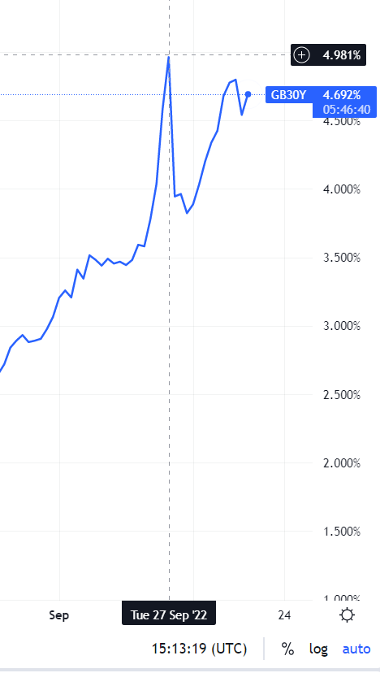
Portfolio
UK 30 Year Gilts
UK gov buys bonds, QE
 |  |  |  |  | IGSB | 3%
 |  |  |  |  | IGLT | 6%
 |  |  |  |  | DRV | 6%
 |  |  |  |  | SPMB | 6%
 |  |  |  |  | BIL | 6%
 |  |  |  |  | SQQQ | 6%
 |  |  |  |  | TMV | 6%
 |  |  |  |  | Series I | 10%
 |  |  |  |  | PAAS | 6%
 |  |  |  |  | XLF | 6%
 |  |  |  |  | HYG | 3%
 |  |  |  |  | ACTIVE | 30%
 |  |  |  |  | CASH | 6%

